VLSM
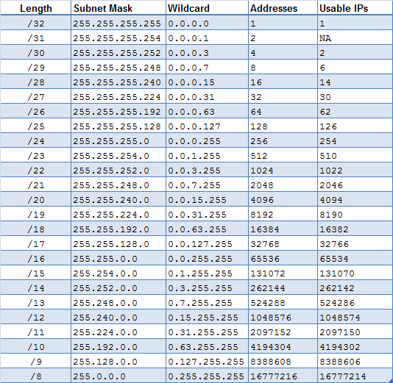
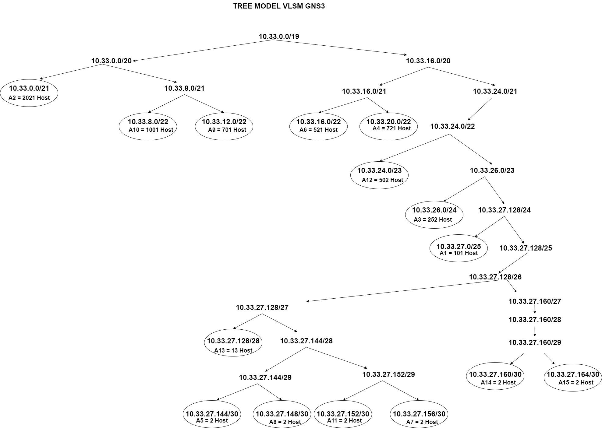

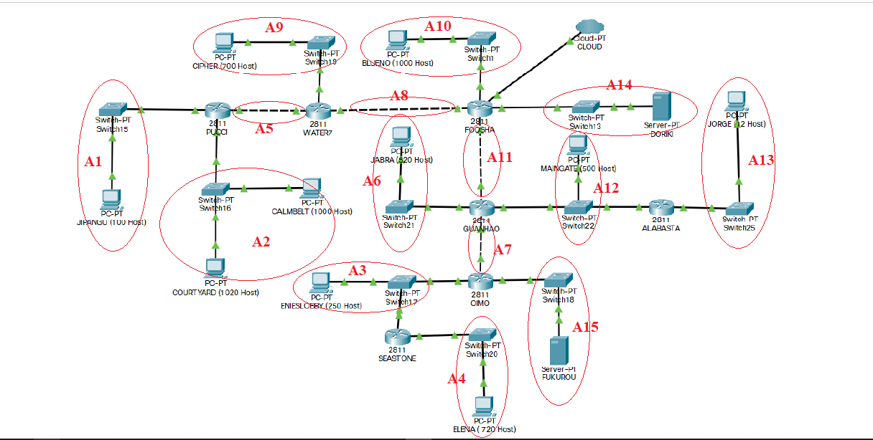

Subnet | Jumlah IP | Netmask | Alias
A1 | 101 | /25 | jipangu-pucci
A2 | 2021 | /21 | court-calm-pucci
A3 | 252 | /24 | enies-seas-oimo
A4 | 721 | /22 | seas-elena
A5 | 2 | /30 | pucci-water7
A6 | 521 | /22 | jabra-guan
A7 | 2 | /30 | guan-oimo
A8 | 2 | /30 | water7-foosha
A9 | 701 | /22 | ciph-water7
A10 | 1001 | /22 | blueno-foosha
A11 | 2 | /30 | foosha-guan
A12 | 502 | /23 | guan-alabas-maingate
A13 | 13 | /28 | alaba-jorge
A14 | 2 | /28 | foosha-doriki
A15 | 2 | /30 | oimo-fukurou
Total | 5845 | /19

Subnet | Node | IP | Subnet Mask | Length
A1 | Pucci | 10.33.27.1 | 255.255.255.128 | /25
A1 | Jipangu | 10.33.27.2 | 255.255.255.128
A2 | Pucci | 10.33.0.1 | 255.255.248.0 | /21
A2 | Courtyard | 10.33.0.2 | 255.255.248.0
A2 | Calmbelt | 10.33.0.3 | 255.255.248.0
A3 | Oimo | 10.33.26.1 | 255.255.255.0 | /24
A3 | Seastone | 10.33.26.2 | 255.255.255.0
A3 | Enieslobby | 10.33.26.3 | 255.255.255.0
A4 | Seastone | 10.33.20.1 | 255.255.252.0 | /22
A4 | Elena | 10.33.20.2 | 255.255.252.0
A5 | Pucci | 10.33.27.145 | 255.255.255.252 | /30
A5 | Water7 | 10.33.27.146 | 255.255.255.252
A6 | Guanhao | 10.33.16.1 | 255.255.252.0 | /22
A6 | Jabra | 10.33.16.2 | 255.255.252.0
A7 | Guanhao | 10.33.27.157 | 255.255.255.252 | /30
A7 | Oimo | 10.33.27.158 | 255.255.255.252
A8 | Water7 | 10.33.27.149 | 255.255.255.252 | /30
A8 | Foosha | 10.33.27.150 | 255.255.255.252
A9 | Water7 | 10.33.12.1 | 255.255.252.0 | /22
A9 | Cipher | 10.33.12.2 | 255.255.252.0
A10 | Foosha | 10.33.8.1 | 255.255.252.0 | /22
A10 | Blueno | 10.33.8.2 | 255.255.252.0
A11 | Foosha | 10.33.27.153 | 255.255.255.252 | /30
A11 | Guanhao | 10.33.27.154 | 255.255.255.252
A12 | Guanhao | 10.33.24.1 | 255.255.254.0 | /23
A12 | Alabasta | 10.33.24.2 | 255.255.254.0
A12 | Maingate | 10.33.24.3 | 255.255.254.0
A13 | Alabasta | 10.33.27.129 | 255.255.255.240 | /28
A13 | Jorge | 10.33.27.130 | 255.255.255.240
A14 | Foosha | 10.33.27.161 | 255.255.255.252 | /30
A14 | Doriki | 10.33.27.162 | 255.255.255.252
A15 | Oimo | 10.33.27.165 | 255.255.255.252 | /30
A15 | Fukurou | 10.33.27.166 | 255.255.255.252

CIDR
Subnet | Jumlah IP | Netmask | Subnet | Kombinasi | Jumlah IP | Netmask |  | Subnet | Kombinasi | Jumlah IP | Netmask
A1 | 101 | /25 | B1 | A1 | 2122 | /20 |  | E1 | D1 | 2827 | /17
A2 | 2021 | /21 |  | A2 |  |  |  |  | A5
A3 | 2 | /30 | B2 | A13 | 973 | /21 |  | E2 | D2 | 2015 | /18
A4 | 701 | /22 |  | A15 |  |  |  |  | D3
A5 | 2 | /30 | B3 | A11 | 515 | /22
A6 | 1001 | /22 |  | A12 |  |  |  | Subnet | Kombinasi | Jumlah IP | Netmask
A7 | 2 | /30 |  |  |  |  |  | F1 | E1 | 3828 | /16
A8 | 2 | /30 | Subnet | Kombinasi | Jumlah IP | Netmask |  |  | A6
A9 | 521 | /22 | C1 | B1 | 2124 | /19 |  | F2 | E2 | 2017 | /17
A10 | 2 | /22 |  | A3 |  |  |  |  | A7
A11 | 502 | /23 | C2 | B2 | 975 | /20
A12 | 13 | /28 |  | A14 |  |  |  | Subnet | Kombinasi | Jumlah IP | Netmask
A13 | 252 | /24 | C3 | B3 | 1036 | /21 |  | G1 | F1 | 5845 | /15
A14 | 2 | /28 |  | A9 |  |  |  |  | F2
A15 | 721 | /22
Total | 5845 | /19 | Subnet | Kombinasi | Jumlah IP | Netmask
 |  |  | D1 | C1 | 2825 | /18
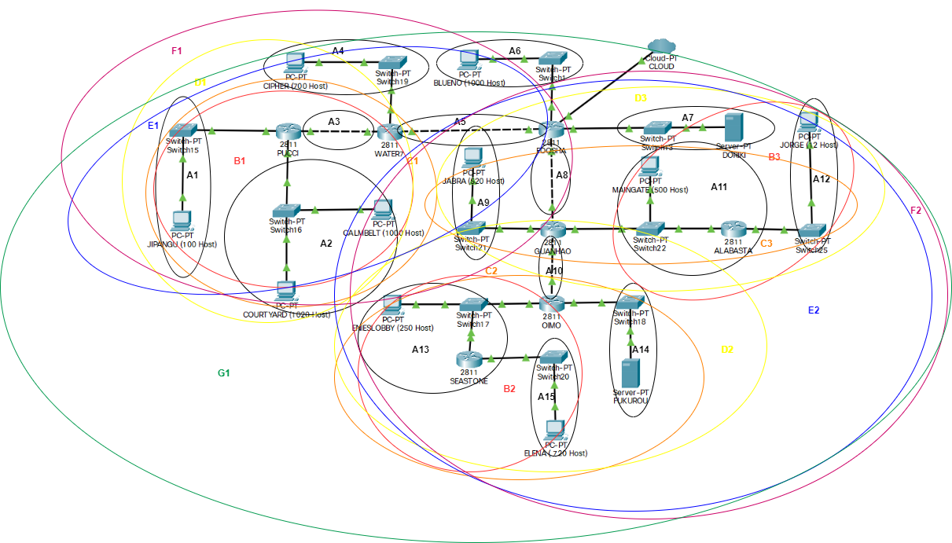
 |  |  |  | A4
 |  |  | D2 | C2 | 977 | /19
 |  |  |  | A10
 |  |  | D3 | C3 | 1038 | /20
 |  |  |  | A8

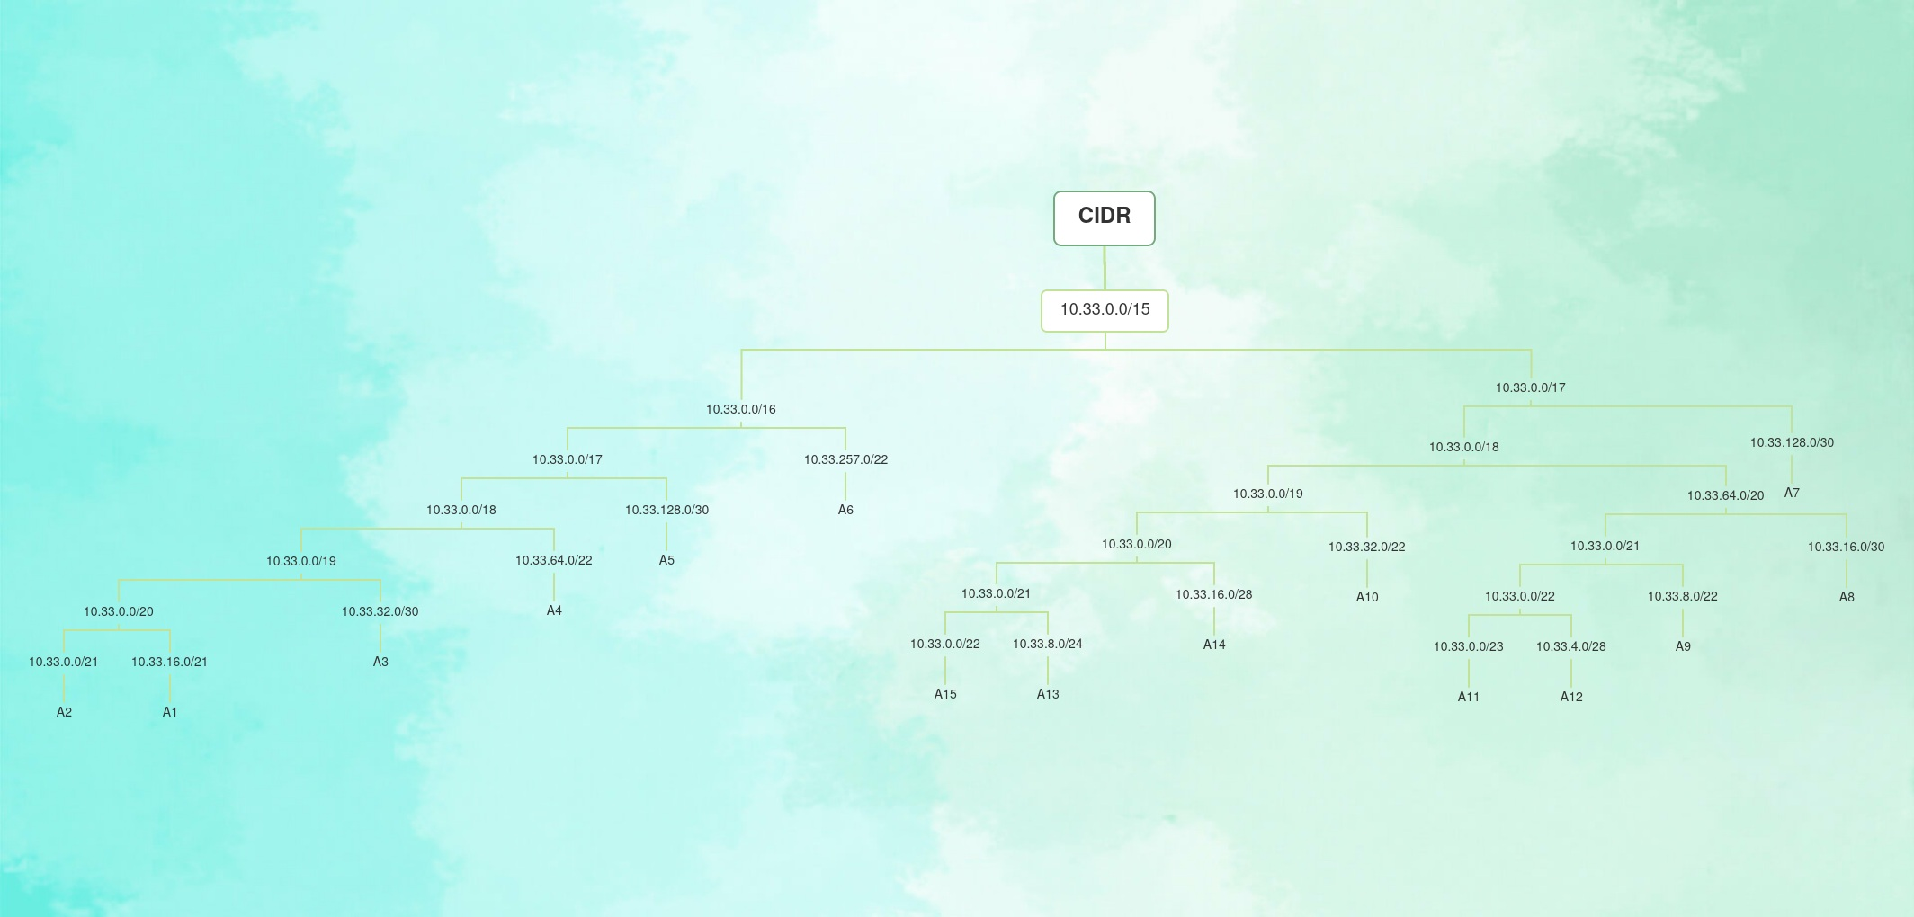

 |  |  |  |  |  | Subnet | IP | Subnet Mask | Length | Broadcast Addr
 |  |  |  |  |  | A1 | 10.33.16.0 | 255.255.255.128 | /21 | 10.33.27.127
 |  |  |  |  |  | A2 | 10.33.0.0 | 255.255.248.0 | /21 | 10.33.7.255
 |  |  |  |  |  | A3 | 10.33.32.0 | 255.255.255.0 | /20 | 10.33.32.255
 |  |  |  |  |  | A4 | 10.33.64.0 | 255.255.252.0 | /22 | 10.33.67.255
 |  |  |  |  |  | A5 | 10.33.128.0 | 255.255.255.252 | /30 | 10.33.128.3
 |  |  |  |  |  | A6 | 10.33.257.0 | 255.255.252.0 | /22 | 10.33.
 |  |  |  |  |  | A7 | 10.33.128.0 | 255.255.255.252 | /30
 |  |  |  |  |  | A8 | 10.33.16.0 | 255.255.255.252 | /30
 |  |  |  |  |  | A9 | 10.33.8.0 | 255.255.252.0 | /22
 |  |  |  |  |  | A10 | 10.33.32.0 | 255.255.252.0 | /22
 |  |  |  |  |  | A11 | 10.33.0.0 | 255.255.255.252 | /23
 |  |  |  |  |  | A12 | 10.33.4.0 | 255.255.254.0 | /28
 |  |  |  |  |  | A13 | 10.33.8.0 | 255.255.255.240 | /24
 |  |  |  |  |  | A14 | 10.33.16.0 | 255.255.255.252 | /28 | 10.33.19.255
 |  |  |  |  |  | A15 | 10.33.0.0 | 255.255.255.252 | /22

